Instructions
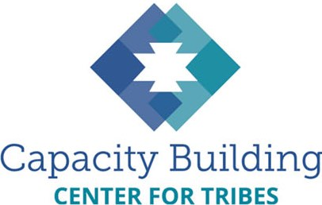
 |  |  |  | Making Excel Work for Your Community
 |  |  |  | Sample CPS Intake Spreadsheet

 |  |  |  | Welcome to the Making Excel Work for Your Community learning series and toolkit! This Excel workbook is intended to be used
 |  |  |  | with the learning series as a way to practice building your Excel skills and to see examples of formulas and drop-down lists in action.
 |  |  |  | This example is based on spreadsheets the Center for Tribes has worked on with several child welfare programs.

 |  |  |  | Looking for the full Excel learning series? You can find it at
 |  |  |  | https://tribalinformationexchange.org/index.php/making-excel-work-for-your-tribal-community

 |  | In this workbook, you'll find the following features:

 |  |  | 1. Reporting Sheet - This worksheet contains all the data elements needed for quarterly BIA reporting (part B).
 |  |  | Try adding data into the monthly spreadsheets and see how the counts are automatically tallied in the Reporting sheet. The Reporting sheet also shows
 |  |  | an example of how you can look at counts involving more than one data element - in this case, boys and girls who are in certain age groups. Try replicating
 |  |  | these formulas for other data elements that might interest you, such as how many teenagers are placed with a relative.

 |  |  | 2. Monthly Intake Sheets - This workbook contains monthly intake sheets for a full federal fiscal year (for your reporting convenience). Look at the
 |  |  | data elements and think through what changes you would make to fit your practice.

 |  |  | 3. Values Sheet - The last tab in this workbook contains the values used for the drop-down lists in the monthly intake sheets. You can change
 |  |  | or add lists of values to match your language and practice.

 | Need more data help? Email us any time at info@cbc4tribes.org and keep an eye on the Tribal Information Exchange for more
 | resources and learning opportunities around data and many other topics that can support the work you do in your community.

 | Disclaimer: This is a sample document provided for instructional purposes only. All attempts have been made to provide accurate information. The Children's Bureau and the Capacity Building Center for Tribes cannot be held responsible for any errors. Please contact the CBCT for any assistance in using this tool at info@cbc4tribes.org or 1-800-871-8702.

__-

